Expected growth rate
Top Down Estimates (Yardeni on 12/25/25) |  |  |  | Top-down Estimates (Analyst Consensus on 7/23/26)
Year | Earnings on Index |  | Source | Year | Growth Rate | Earnings on index | Source
2023 |  | 221.36 |  | 2023 |  | 221.36
2024 |  | 243.32 | Yardeni | 2024 |  | 246.19 | Analyst Consensus
2025 | 17.13% | 285 | Yardeni | 2025 |  | 262.86 | Analyst Consensus
2026 | 12.28% | 320 | Yardeni | 2026 | 27.73% | 335.74 | Analyst Consensus
2027 | 9.77% |  |  | 2027 | 17.72% | 395.22 | Analyst Consensus
2028 | 7.25% |  |  | 2028 | 13.39%
2029 | 4.74% |  |  | 2029 | 9.07%
2030 | 4.74% |  |  | 2030 | 4.74%
Compounded average | 10.15% |  |  | CAGR | 14.26%

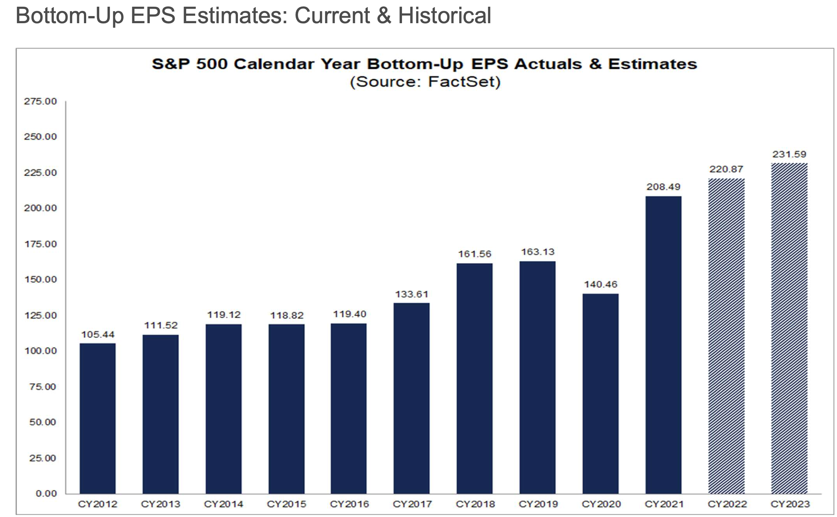
Sources for top down estimates
Thomson Reuters
Factset
Yardeni
S&P Capital IQ | Used estimated Net Income aggregated across
 | individual companies for next two years

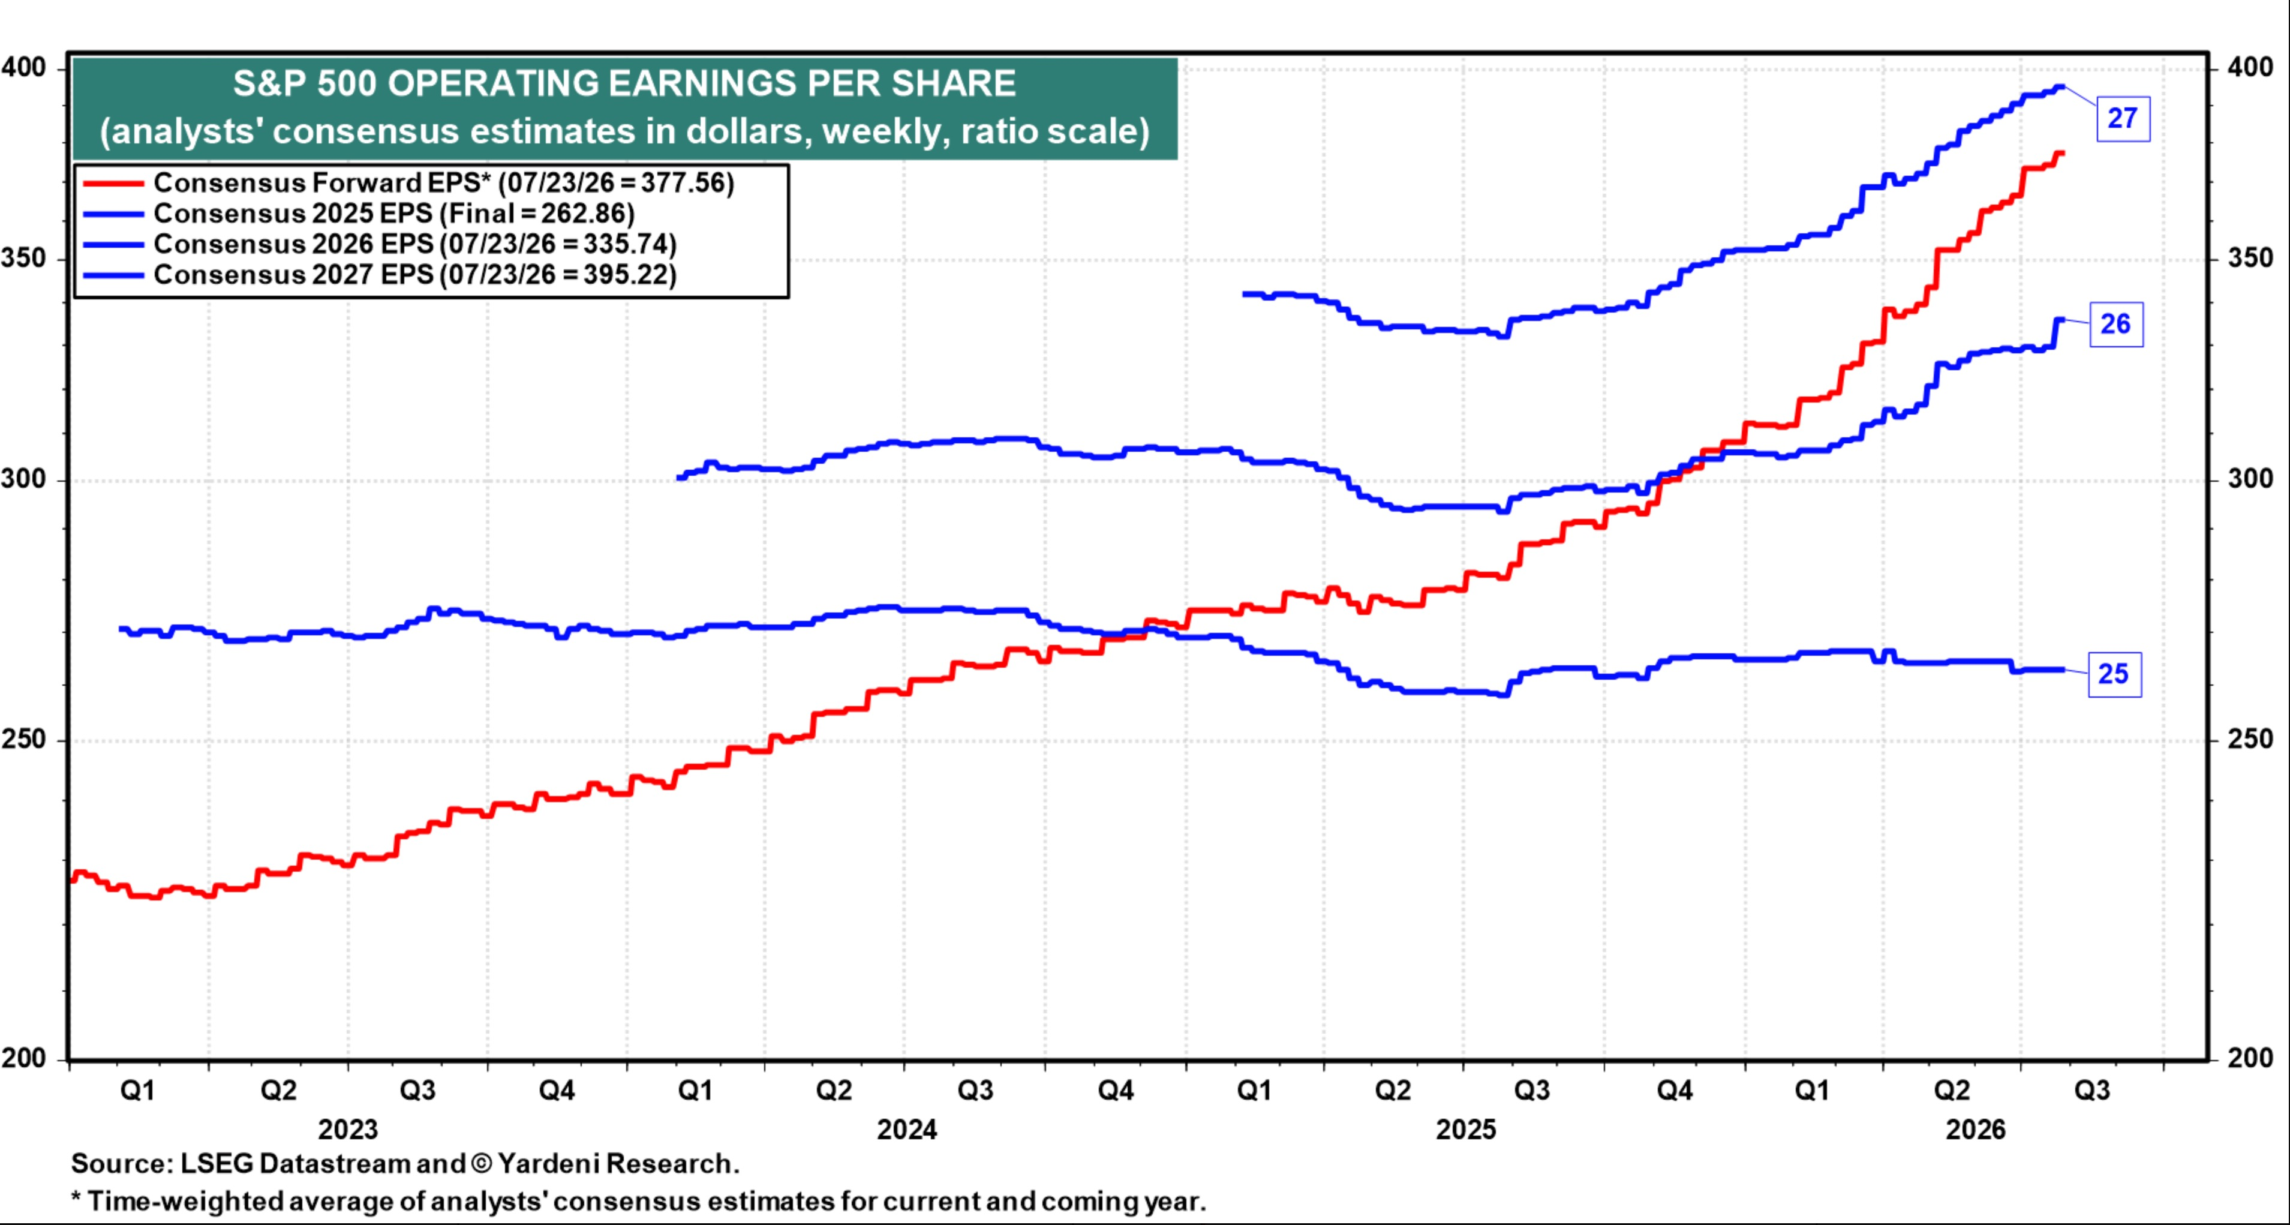

 |  |  |  |  | On 12/31/25
 |  |  |  |  | Market Strategists Estimates
 |  |  |  |  | FIRM | 2026 S&P | 2026 EPS | IMPLIED P/E
 |  |  |  |  | Bank of America | 7100 | 310.00 | 22.90
 |  |  |  |  | Societe Generale | 7300 | 310.00 | 23.55
 |  |  |  |  | Barclays | 7400 | 305.00 | 24.26
 |  |  |  |  | CFRA | 7400 | 310.00 | 23.87
 |  |  |  |  | HSBC | 7500 | 300.00 | 25.00
 |  |  |  |  | Yardeni | 7700 | 310.00 | 24.84
 |  |  |  |  | Deutsche Bank | 8000 | 320.00 | 25.00
 |  |  |  |  | Capital Economics | 8000 | 305.00 | 26.23
 |  |  |  |  | Goldman Sachs | 7600 | 305.00 | 24.92
 |  |  |  |  | JP Morgan Chase | 7500 | 315.00 | 23.81
 |  |  |  |  | Morgan Stanley | 7800 | 317.00 | 24.61
 |  |  |  |  | Oppenheimer | 8100 | 305.00 | 26.56
 |  |  |  |  | RBC | 7750 | 311.00 | 24.92
 |  |  |  |  | UBS | 7500 | 309.00 | 24.27
 |  |  |  |  | Well Fargo | 7800 | 310.00 | 25.16
 |  |  |  |  | Average | $7,630.00 | $309.47 | 24.66
 |  |  |  |  | Median | $7,600.00 | $310.00 | 24.84
 |  |  |  |  | High | $8,100.00 | $320.00 | 26.56
 |  |  |  |  | Low | $7,100.00 | $300.00 | 22.90

CashYield over time
Cash Yields over time for S&P 500
 | Dividend Yield | Buybacks Yield
2001 | 1.37% | 1.25%
2002 | 1.81% | 1.58%
2003 | 1.61% | 1.23%
2004 | 1.57% | 1.78%
2005 | 1.79% | 3.11%
2006 | 1.77% | 3.39%
2007 | 1.92% | 4.58%
2008 | 3.15% | 4.33%
2009 | 1.97% | 1.39%
2010 | 1.80% | 2.61%
2011 | 2.11% | 3.56%
2012 | 2.19% | 3.13%
2013 | 1.89% | 2.88%
2014 | 1.92% | 3.03%
2015 | 2.12% | 3.18%
2016 | 2.04% | 2.78%
2017 | 1.83% | 2.28%
2018 | 2.17% | 3.83%
2019 | 1.81% | 2.72%
2020 | 1.52% | 1.64%
2021 | 1.27% | 2.19%
2022 | 1.74% | 2.85%
2023 | 1.47% | 1.99%
2024 | 1.33% | 1.99%

